Build Tracker


Azure Cloud IAAS Build tracker Sheet

Serial No. | Date | Who | Tracker Satus | Status | Remarks
1 | 19-Jun-22 | Saurabh | 25% Build Sheet Prepared | In Progress
2

TDI Storage Rules
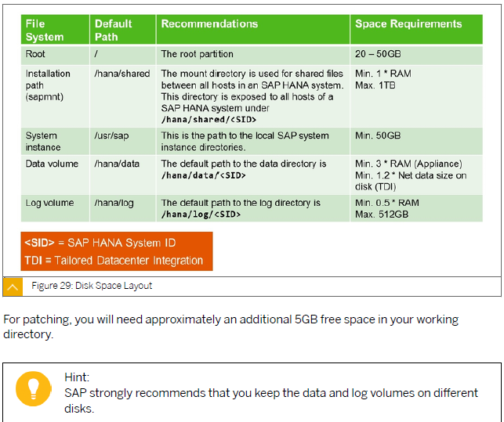
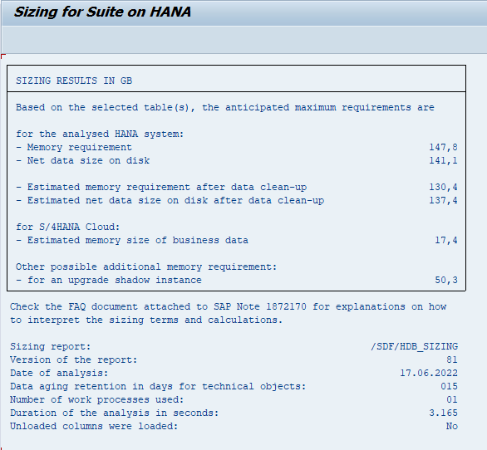

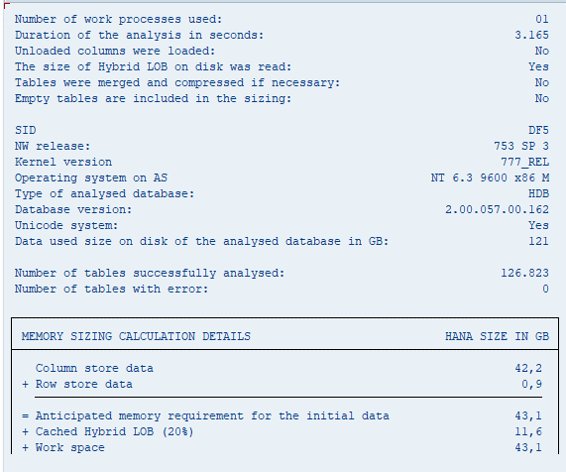

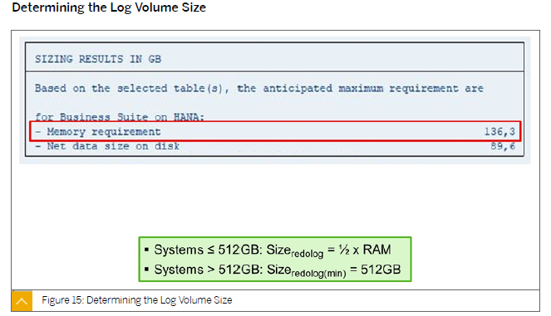

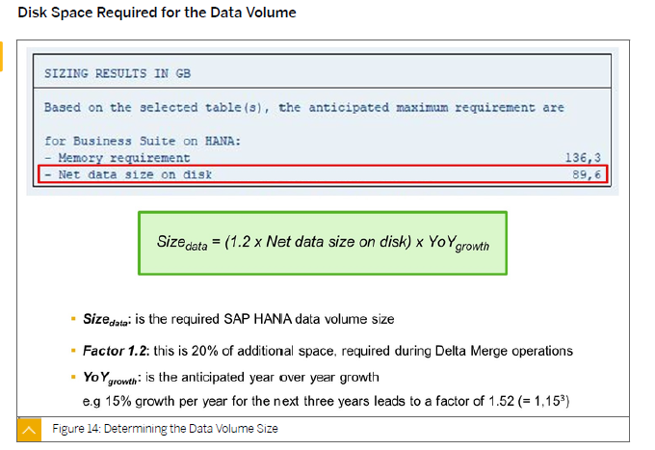

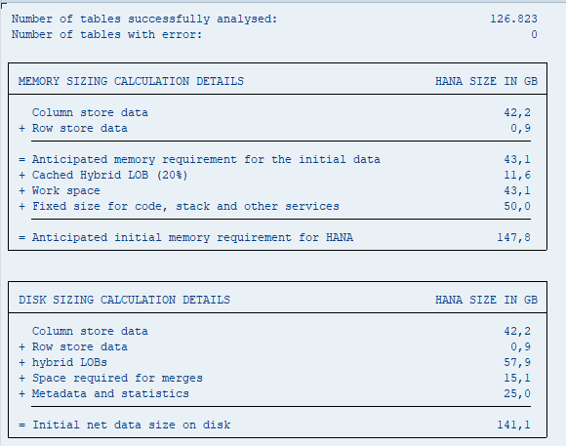

Azure VM Sizes
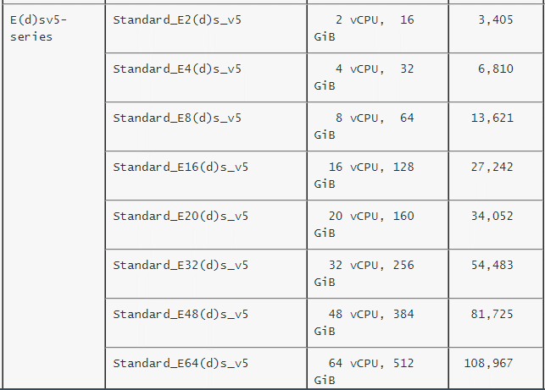
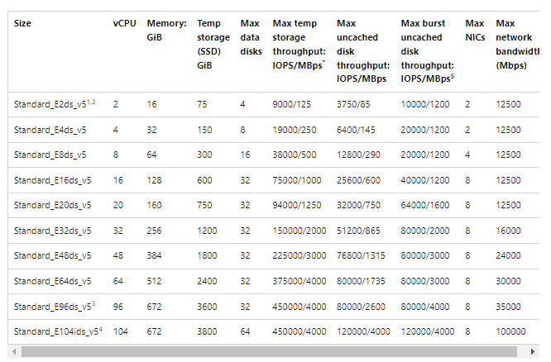
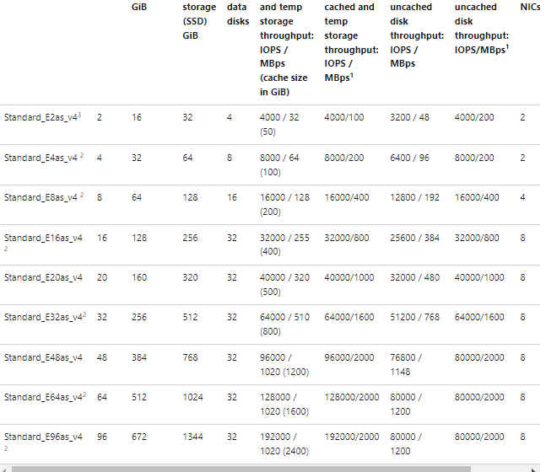
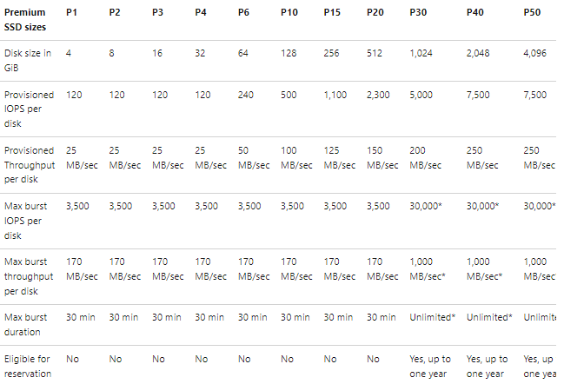
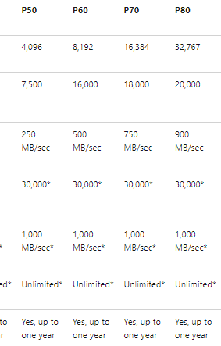
Machine name | Description | vCPUs1 | Memory (GB)
E4as_v4 |  | 4 | 32
E8as_v4 |  | 8 | 64
E16as_v4 |  | 16 | 128 | Size | Disk no | IOPS | Disk Cache
 |  |  |  | 4.4 TB | 1*E40 | 7,500 | Read only
 |  |  |  |  | 2*E30 | 10,000 | Read only
 |  |  |  |  | 1*E15 | 1,100 | Read only

 |  |  |  |  | 50
 |  |  |  |  | 150

 |  |  |  |  | 999
 |  |  |  |  | 930
 |  |  |  |  | 930
 |  |  |  |  | 930
 |  |  |  |  | 80
 |  |  |  |  | 4019

Source Artifacts
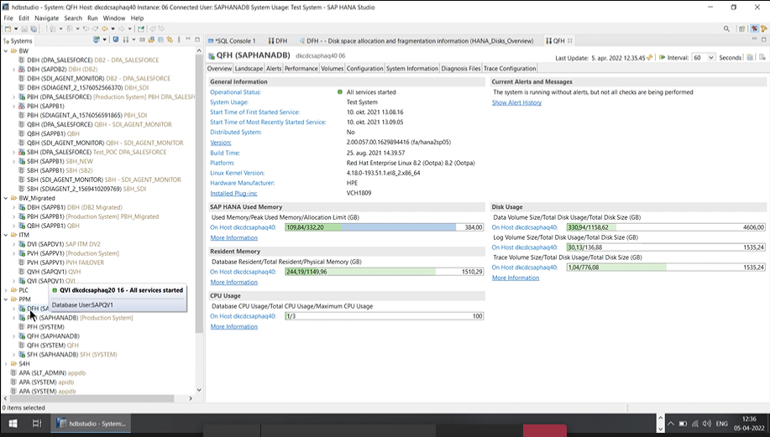
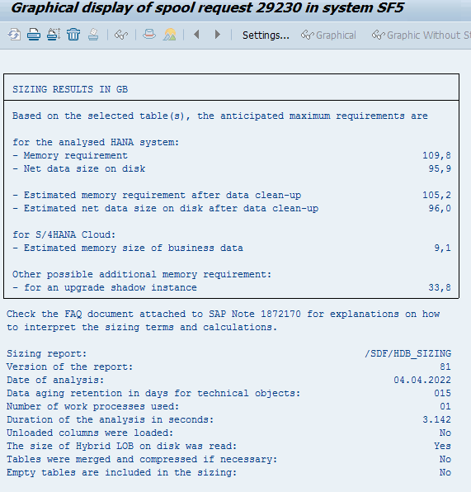

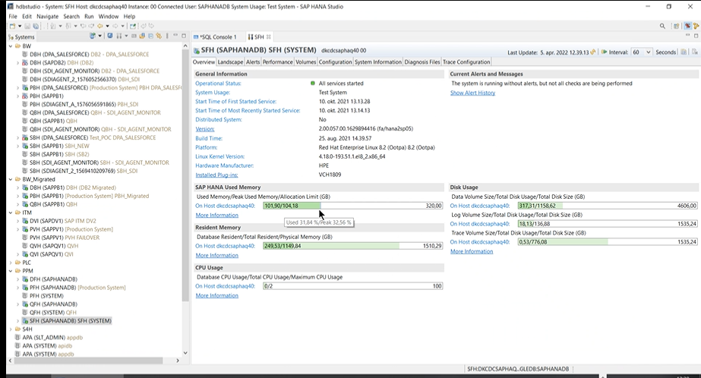

select sum((disk_size)/1024/1024/1024) from m_table_persistence_statistics

SUM((DISK_SIZE)/1024/1024/1024); 80,8646121620632192

select sum(memory_size_in_total) from M_CS_TABLES;
SUM(MEMORY_SIZE_IN_TOTAL); 39.383.726.877
select sum(memory_size_in_total)/1024/1024/1024 from M_CS_TABLES

SUM(MEMORY_SIZE_IN_TOTAL)/1024/1024/1024; 36,6790033383293066

